Table S2 Articles country
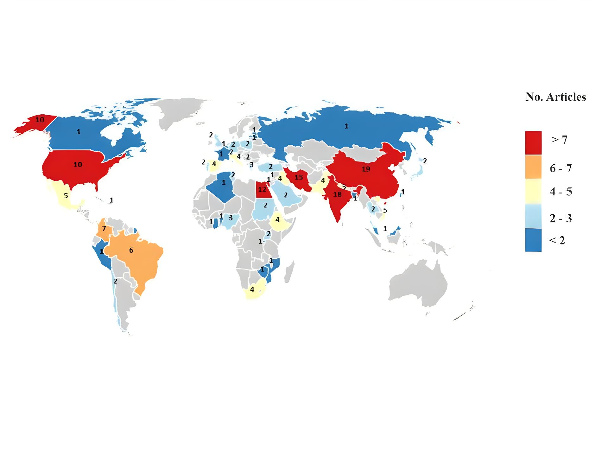
Country | N° articles
Benin | 1
Egypt | 10
Ethiopia | 4
Mozambique | 1
Nigeria | 2
South Africa | 2
Uganda | 2
Rwanda | 1
Sudan | 1
Tunisia | 1
Zimbabwe | 1
Bangladesh | 1
China | 9
India | 7
Iran | 11
Iraq | 1
Japan | 1
Lebanon | 2
Nepal | 3
Saudi Arabia | 1
Thailand | 2
Vietnam | 2
Pakistan | 2
Russia | 1
Estonia | 1
France | 2
Germany | 2
Greece | 1
Italy | 4
Poland | 2
Portugal | 2
Serbian | 2
Spain | 2
Switzerland | 2
Turkey | 1
Latvia | 1
...

Table S3 Samples Type.
Samples Type
Blood | 86
Wound swabs/pus | 54
Urine | 92
Point cavity effusion/bone open fracture/synovial fluid | 4
Ascetic, peritoneal fluids/Gastric biopsy | 13
Sputum/tracheal aspirate/bronchoalveolar lavage | 76
Feces | 10
Rectal swabs | 11
Skin and soft-tissue | 7
Vaginal swabs | 7
Catheter tip | 20
Cerebrospinal fluid | 16

Samples Type
Blood | 86
Wound swabs/pus | 54
Urine | 92
Point cavity effusion/bone open fracture/synovial fluid | 4
Ascetic, peritoneal fluids/Gastric biopsy | 13
Sputum/tracheal aspirate/bronchoalveolar lavage | 76
Feces | 10
Rectal swabs | 11
Skin and soft-tissue | 7
Vaginal swabs | 7
Catheter tip | 20
Cerebrospinal fluid | 16

Table S4 Bacteria-type sample
...
 | Blood | Urine | catheter tip | CSF | Respiratory secretions | Wound/abscess | Feces | Rectal swabs | Skin and soft-tissue | Vaginal swabs | joint cavity effusion/synovial fluid | Ascetic, peritoneal fluids/Gastric biopsy
A. baumannii | 28 | 26 | 10 | 5 | 28 | 27 | 7 | 2 | 2 | 0 | 1 | 4
P. aeruginosa | 31 | 34 | 8 | 5 | 29 | 27 | 7 | 2 | 3 | 0 | 1 | 5
E. coli | 36 | 51 | 11 | 6 | 26 | 25 | 9 | 2 | 3 | 0 | 1 | 2
K. pneumoniae | 49 | 57 | 13 | 7 | 46 | 40 | 7 | 5 | 3 | 1 | 2 | 4
S. aureus | 25 | 19 | 5 | 8 | 16 | 14 | 1 | 0 | 3 | 0 | 1 | 1
Salmonella spp | 2 | 1 | 0 | 1 | 0 | 0 | 2 | 0 | 0 | 0 | 0 | 0
S. maltophilia | 5 | 3 | 0 | 1 | 5 | 3 | 1 | 1 | 0 | 0 | 0 | 2
M. morganii | 0 | 2 | 0 | 0 | 0 | 0 | 0 | 0 | 0 | 0 | 0 | 0
Enterobacter spp. | 9 | 11 | 0 | 2 | 6 | 5 | 2 | 3 | 0 | 1 | 0 | 0
H. pilory/Campylobacte sp, | 0 | 0 | 0 | 0 | 0 | 2 | 0 | 0 | 0 | 0 | 0 | 1
C. striatum | 0 | 0 | 0 | 0 | 1 | 0 | 0 | 0 | 0 | 1 | 0 | 0
CONS | 15 | 17 | 5 | 2 | 6 | 7 | 3 | 0 | 1 | 0 | 1 | 1
Proteus spp. | 4 | 7 | 2 | 1 | 3 | 3 | 1 | 0 | 2 | 0 | 0 | 1
Sphingomonas spp. | 0 | 1 | 0 | 0 | 0 | 0 | 0 | 1 | 0 | 0 | 0 | 0
C. freundii | 0 | 3 | 0 | 0 | 0 | 0 | 0 | 1 | 0 | 0 | 0 | 0
Shigella spp | 0 | 0 | 0 | 0 | 0 | 1 | 0 | 0 | 0 | 0 | 0 | 0
Serratia spp | 3 | 6 | 1 | 1 | 2 | 2 | 1 | 0 | 1 | 0 | 0 | 1
S. agalactiae | 1 | 3 | 0 | 0 | 0 | 1 | 0 | 2 | 0 | 2 | 0 | 0
Providencia spp | 0 | 0 | 0 |  | 0 | 0 | 0 | 0 | 0 | 0 | 0 | 0
Enterococcus spp | 17 | 16 | 3 | 4 | 6 | 12 | 6 | 2 | 2 | 0 | 0 | 5
Rectal swabs | Skin and soft-tissue | Vaginal swabs | joint cavity effusion/synovial fluid | Ascetic, peritoneal fluids/Gastric biopsy | Other Samples
2 | 2 | 0 | 1 | 4 | 7
2 | 3 | 0 | 1 | 5 | 8
2 | 3 | 0 | 1 | 2 | 7
5 | 3 | 1 | 2 | 4 | 14
0 | 3 | 0 | 1 | 1 | 6
0 | 0 | 0 | 0 | 0 | 1
1 | 0 | 0 | 0 | 2 | 3
0 | 0 | 0 | 0 | 0 | 1
3 | 0 | 1 | 0 | 0 | 2
0 | 0 | 0 | 0 | 1 | 0
0 | 0 | 1 | 0 | 0 | 0
0 | 1 | 0 | 1 | 1 | 3
0 | 2 | 0 | 0 | 1 | 1
1 | 0 | 0 | 0 | 0 | 0
1 | 0 | 0 | 0 | 0 | 0
0 | 0 | 0 | 0 | 0 | 0
0 | 1 | 0 | 0 | 1 | 2
2 | 0 | 2 | 0 | 0 | 1
0 | 0 | 0 | 0 | 0 | 0
2 | 2 | 0 | 0 | 5 | 5

Table S5 Biological source
...
 | Acinetobacter baumannii | Pseudomonas aeruginosa | Enterobacter cloacae/aerogenes | Klebsiella pneumoniae | Escherichia coli | Salmonella spp | Stenotrophomonas maltophilia | Shigella spp | Proteus spp | Serratia spp | Morganella morganii | Citrobacter freundii
Africa | 2 | 5 | 2 | 13 | 10 | 0 | 1 | 1 | 7 | 0 | 0 | 0
Europe | 7 | 12 | 5 | 15 | 11 | 0 | 1 | 0 | 3 | 1 | 0 | 1
Asia | 25 | 24 | 10 | 39 | 31 | 2 | 5 | 1 | 9 | 5 | 2 | 1
North America | 1 | 5 | 2 | 3 | 6 | 0 | 1 | 0 | 1 | 0 | 0 | 0
Latin America | 9 | 11 | 4 | 12 | 14 | 1 | 0 | 1 | 3 | 0 | 0 | 0
Europe | Asia | North America | Latin America
7 | 25 | 1 | 9 | 44
12 | 24 | 5 | 11 | 57
5 | 10 | 2 | 4 | 23
15 | 39 | 3 | 12 | 82
11 | 31 | 6 | 14 | 72
0 | 2 | 0 | 1 | 3
1 | 5 | 1 | 0 | 8
0 | 1 | 0 | 1 | 3
3 | 9 | 1 | 3 | 23
1 | 5 | 0 | 0 | 6
0 | 2 | 0 | 0 | 2
1 | 1 | 0 | 0 | 2
0 | 3 | 0 | 0 | 3
1 | 1 | 0 | 0 | 2
1 | 3 | 0 | 0 | 4
2 | 1 | 0 | 0 | 3
1 | 1 | 0 | 0 | 2
9 | 8 | 1 | 5 | 28
3 | 9 | 0 | 4 | 17
6 | 19 | 2 | 6 | 39
79 | 199 | 22 | 70
...
 | Europe |  | Asia |  | North America |  | Latin America
No articles | n (%) | No articles | n (%) | No articles | n (%) | No of articles | n (%) | No articles
2 | 6583 | 7 | 15260 | 25 | 402 | 1 | 5178 | 9
5 | 37627 | 12 | 12260 | 24 | 10228 | 5 | 66709 | 11
2 | 3525 | 5 | 223 | 10 | 436 | 2 | 2844 | 4
13 | 50918 | 15 | 19143 | 39 | 798 | 3 | 25548 | 12
10 | 97970 | 11 | 13393 | 31 | 7430 | 6 | 65665 | 14
0 | 0 | 0 | 123 | 2 | 0 | 0 | 81 | 1
1 | 100 | 1 | 481 | 5 | 310 | 1 | 0 | 0
...

Table S7 ARGs
...
 | Genes
S. aureus | 1 | 1 | 1 | 2 | 2 | 1 | 0 | 1 | 0 | 0 | 0 | 1 | 0 | 0 | 0 | 0 | 2 | 0 | 1 | 6 | 1 | 0 | 0 | 0 | 1 | 1 | 2 | 1 | 0 | 1 | 0 | 1 | 0
S. maltophilia | 2 | 0 | 0 | 0 | 0 | 0 | 0 | 0 | 0 | 0 | 0 | 0 | 0 | 0 | 0 | 1 | 0 | 0 | 0 | 0 | 0 | 0 | 0 | 0 | 0 | 0 | 0 | 0 | 0 | 0 | 0 | 0 | 0
Enterococcus spp | 0 | 8 | 0 | 3 | 0 | 0 | 1 | 3 | 0 | 0 | 3 | 0 | 0 | 0 | 0 | 1 | 1 | 0 | 1 | 0 | 0 | 1 | 1 | 0 | 0 | 0 | 0 | 0 | 0 | 0 | 0 | 0 | 0
Enterobacter spp | 6 | 0 | 0 | 0 | 0 | 0 | 1 | 2 | 0 | 0 | 0 | 0 | 0 | 0 | 0 | 0 | 0 | 0 | 0 | 0 | 0 | 0 | 0 | 0 | 0 | 0 | 0 | 0 | 0 | 0 | 0 | 0 | 0
C. striatum | 0 | 0 | 0 | 1 | 2 | 0 | 0 | 1 | 0 | 0 | 1 | 0 | 0 | 0 | 0 | 0 | 0 | 0 | 0 | 0 | 0 | 0 | 0 | 0 | 0 | 0 | 0 | 0 | 0 | 0 | 0 | 0 | 0
CoNS | 0 | 0 | 0 | 0 | 0 | 0 | 0 | 0 | 0 | 0 | 0 | 0 | 0 | 0 | 0 | 0 | 0 | 0 | 0 | 1 | 0 | 0 | 0 | 0 | 0 | 0 | 0 | 0 | 0 | 0 | 0 | 0 | 0
Proteus spp | 2 | 0 | 0 | 0 | 0 | 0 | 0 | 0 | 0 | 0 | 0 | 0 | 0 | 0 | 0 | 0 | 0 | 0 | 0 | 0 | 0 | 0 | 0 | 0 | 0 | 0 | 0 | 0 | 0 | 0 | 0 | 0 | 0
Citrobacter spp | 2 | 0 | 0 | 0 | 0 | 0 | 1 | 0 | 0 | 0 | 0 | 0 | 0 | 0 | 0 | 0 | 0 | 0 | 0 | 1 | 0 | 0 | 0 | 0 | 0 | 0 | 0 | 0 | 0 | 0 | 0 | 0 | 0
Sphingomonas spp | 1 | 0 | 0 | 0 | 0 | 0 | 0 | 0 | 0 | 0 | 0 | 0 | 0 | 0 | 0 | 0 | 0 | 0 | 0 | 0 | 0 | 0 | 0 | 0 | 0 | 0 | 0 | 0 | 0 | 0 | 0 | 0 | 0
Serratia spp | 1 | 0 | 0 | 0 | 0 | 0 | 0 | 0 | 0 | 0 | 0 | 0 | 0 | 0 | 0 | 0 | 0 | 0 | 0 | 0 | 0 | 0 | 0 | 0 | 0 | 0 | 0 | 0 | 0 | 0 | 0 | 0 | 0
 | A. baumannii | P. aeruginosa | E. coli | K. pneumoniae | S. aureus | S. maltophilia | Enterococcus spp | Enterobacter spp | C. striatum | CoNS | Proteus spp | Citrobacter spp
bla | 11 | 12 | 21 | 28 | 1 | 2 | 0 | 6 | 0 | 0 | 2 | 2
van | 0 | 0 | 0 | 0 | 1 | 0 | 8 | 0 | 0 | 0 | 0 | 0
fos | 0 | 0 | 1 | 5 | 1 | 0 | 0 | 0 | 0 | 0 | 0 | 0
erm | 0 | 0 | 0 | 0 | 2 | 0 | 3 | 0 | 1 | 0 | 0 | 0
gyr | 0 | 1 | 1 | 1 | 2 | 0 | 0 | 0 | 2 | 0 | 0 | 0
par | 0 | 1 | 1 | 0 | 1 | 0 | 0 | 0 | 0 | 0 | 0 | 0
qnr | 1 | 1 | 4 | 5 | 0 | 0 | 1 | 1 | 0 | 0 | 0 | 1
aac | 2 | 1 | 4 | 2 | 1 | 0 | 3 | 2 | 1 | 0 | 0 | 0
qep | 0 | 0 | 0 | 0 | 0 | 0 | 0 | 0 | 0 | 0 | 0 | 0
oqx | 0 | 0 | 0 | 2 | 0 | 0 | 0 | 0 | 0 | 0 | 0 | 0
aph | 3 | 0 | 1 | 2 | 0 | 0 | 3 | 0 | 1 | 0 | 0 | 0
rps | 0 | 0 | 0 | 0 | 1 | 0 | 0 | 0 | 0 | 0 | 0 | 0
msr | 1 | 0 | 0 | 0 | 0 | 0 | 0 | 0 | 0 | 0 | 0 | 0
mph | 2 | 0 | 1 | 2 | 0 | 0 | 0 | 0 | 0 | 0 | 0 | 0
cat | 2 | 0 | 2 | 1 | 0 | 0 | 0 | 0 | 0 | 0 | 0 | 0
sul | 4 | 1 | 3 | 3 | 0 | 1 | 1 | 0 | 0 | 0 | 0 | 0
tet | 2 | 0 | 3 | 0 | 2 | 0 | 1 | 0 | 0 | 0 | 0 | 0
aad | 2 | 1 | 0 | 2 | 0 | 0 | 0 | 0 | 0 | 0 | 0 | 0
dfr | 1 | 1 | 2 | 3 | 1 | 0 | 1 | 0 | 0 | 0 | 0 | 0
mec | 0 | 0 | 0 | 0 | 6 | 0 | 0 | 0 | 0 | 1 | 0 | 1
glp | 0 | 0 | 0 | 1 | 1 | 0 | 0 | 0 | 0 | 0 | 0 | 0
cfr | 0 | 0 | 0 | 0 | 0 | 0 | 1 | 0 | 0 | 0 | 0 | 0
optr | 0 | 0 | 0 | 0 | 0 | 0 | 1 | 0 | 0 | 0 | 0 | 0
str | 1 | 1 | 0 | 1 | 0 | 0 | 0 | 0 | 0 | 0 | 0 | 0
uhp | 0 | 0 | 0 | 1 | 1 | 0 | 0 | 0 | 0 | 0 | 0 | 0
liaR | 0 | 0 | 0 | 0 | 1 | 0 | 0 | 0 | 0 | 0 | 0 | 0
rpo | 0 | 0 | 0 | 0 | 2 | 0 | 0 | 0 | 0 | 0 | 0 | 0
mpr | 0 | 0 | 0 | 0 | 1 | 0 | 0 | 0 | 0 | 0 | 0 | 0
rmt | 1 | 0 | 0 | 0 | 0 | 0 | 0 | 0 | 0 | 0 | 0 | 0
pgs | 0 | 0 | 0 | 0 | 1 | 0 | 0 | 0 | 0 | 0 | 0 | 0
AcrAB | 0 | 0 | 0 | 1 | 0 | 0 | 0 | 0 | 0 | 0 | 0 | 0
mur | 0 | 0 | 0 | 0 | 1 | 0 | 0 | 0 | 0 | 0 | 0 | 0
mdt | 0 | 0 | 0 | 1 | 0 | 0 | 0 | 0 | 0 | 0 | 0 | 0
msr | 0 | 0 | 0 | 1 | 0 | 0 | 0 | 0 | 0 | 0 | 0 | 0
tol | 0 | 0 | 0 | 1 | 0 | 0 | 0 | 0 | 0 | 0 | 0 | 0
ant | 0 | 0 | 2 | 0 | 0 | 0 | 0 | 0 | 0 | 0 | 0 | 0
sme | 0 | 0 | 0 | 0 | 0 | 1 | 0 | 0 | 0 | 0 | 0 | 0
arm | 2 | 0 | 0 | 1 | 0 | 0 | 0 | 0 | 0 | 0 | 0 | 0
cml | 1 | 0 | 0 | 0 | 0 | 0 | 0 | 0 | 0 | 0 | 0 | 0
mcr | 1 | 2 | 1 | 0 | 0 | 0 | 0 | 0 | 0 | 0 | 0 | 0
grl | 0 | 0 | 0 | 0 | 1 | 0 | 0 | 0 | 0 | 0 | 0 | 0
vat | 0 | 0 | 0 | 0 | 1 | 0 | 1 | 0 | 0 | 0 | 0 | 0
Opr | 0 | 1 | 0 | 0 | 0 | 0 | 0 | 0 | 0 | 0 | 0 | 0
ddl | 0 | 0 | 0 | 0 | 0 | 0 | 2 | 0 | 0 | 0 | 0 | 0
lmr | 0 | 0 | 0 | 0 | 1 | 0 | 0 | 0 | 0 | 0 | 0 | 0
sep | 0 | 0 | 0 | 0 | 1 | 0 | 0 | 0 | 0 | 0 | 0 | 0
qac | 0 | 0 | 0 | 0 | 1 | 0 | 0 | 0 | 0 | 0 | 0 | 0
ile | 0 | 0 | 0 | 0 | 1 | 0 | 0 | 0 | 0 | 0 | 0 | 0
smr | 0 | 0 | 0 | 0 | 1 | 0 | 0 | 0 | 0 | 0 | 0 | 0
vgb | 0 | 0 | 0 | 0 | 0 | 0 | 1 | 0 | 0 | 0 | 0 | 0
...

